Sheet1
Business Requirements for Cadence Patient Compass

Version | Editor | Date
V1 | Bhavika Bagaria | 2025-10-29
V2 | Bhavika Bagaria | 2026-01-20
V3 | Bhavika Bagaria | 2026-02-19

©2021 ConcertAI. Confidential and Proprietary

BR - Volume Trends
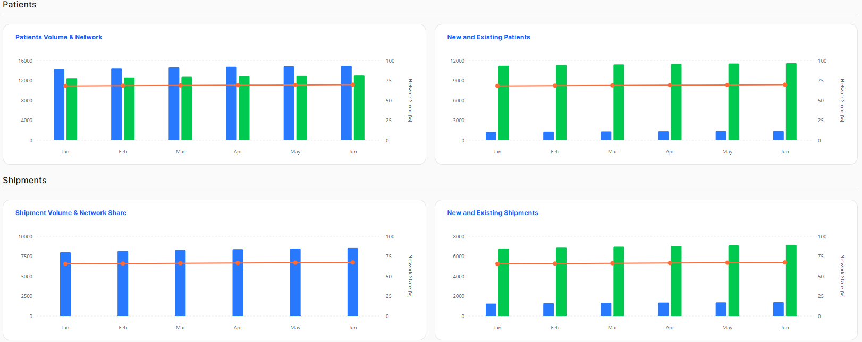
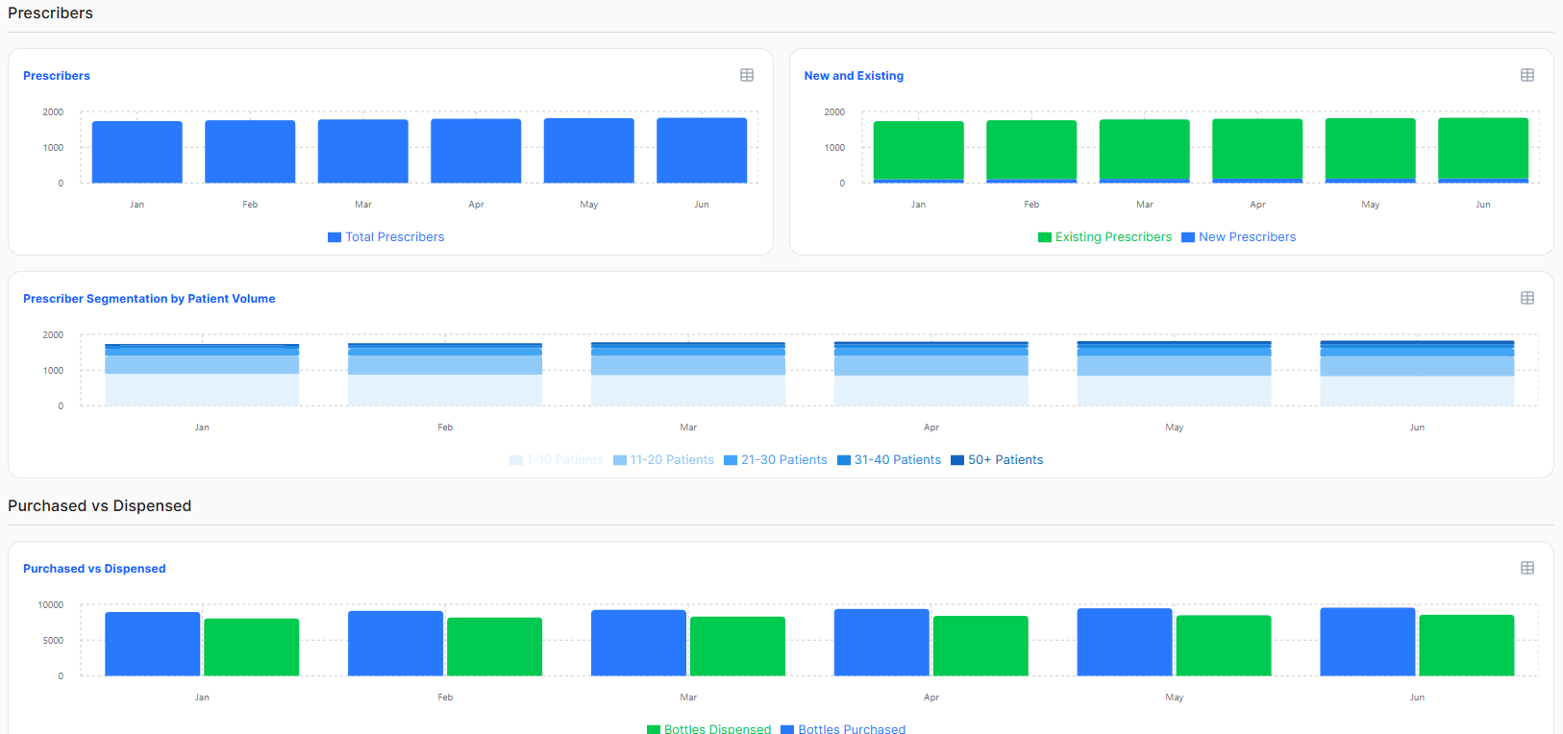
 | BUSINESS REVIEW | VOLUME TRENDS | Back to Index

Req ID | Component | Metric name | Configurable Metric (Y/N) | Visual Type | Business Requirement | Technical Conditions | Client Business Requirements | Client Technical Conditions
VT.1 | PATIENTS - Patients Volume & Network | Patients | N | Clustered Column + Line Chart | Shows the sum of distinct patients at the selected SP or Hub (consider patients in process or on therapy) with a record in the selected time period. | Consider: 1. Patient's last status in or before the time period is not cancelled or discontinued 2. Patient Journey Status of "In Process", "On Therapy"
VT.2 |  | Patients with Shipments | N |  | Shows the sum of distinct patients at the selected SP or Hub who have received at least one shipment in the selected time period. | For SP referrals, pmcstatuscode = "ACTIVE", pmcsubstatus= "SHIPMENT", transtype = "COM" For HUB referrals, pmcstatuscode = "ACTIVE", pmcsubstatus = "SHIPMENT", transtype = "PAP"
VT.3 |  | Total Patients Network Share | N |  | Shows the proportion of Active patients at the selected SP/Hub relative to the Network | Numerator = (sum of distinct Active patients for the selected SP or Hub) * 100 To calculate active patients, pmcstatuscode = "ACTIVE", pmcsubstatus= "SHIPMENT" Denominator = sum of all distinct patients in the network (SP and Hub) . Include transtype = "COM", "PAP"
VT.4 | PATIENTS - New and Existing | New Patients | N | Clustered Column + Line Chart | Patients who have been referred but have not received even a single shipment in the selected time period. Include copay patients if data is available. | Patient's earliest status date is within the selected time period. Patient should not have received any shipment. For patients who have copay shipments, use the following criteria from copayclaimstranstage table to determine that a patient has had a copay shipment: 1. rxfill date is not null 2. rejection_flag <> 1 3. reversal_flag <> 1 4. transactionstatus = "PAID"
VT.5 |  | Exisiting Patients | N |  | Patients who have been first reported by the SP or Hub in a prior time period and have received one or more shipments. Include copay patients if data is available. | The number of SP or Hub patients with all of the following criteria: 1. Patient that had at least one shipment reported in or before the time period (COM,PAP) 2. Patient's last status in or before the time period is not cancelled or discontinued 3. Include copay patients if data is available For patients who have copay shipments, use the following criteria from copayclaimstranstage table to determine that a patient has had a copay shipment: 1. rxfill date is not null 2. rejection_flag <> 1 3. reversal_flag <> 1 4. transactionstatus = "PAID"
VT.6 |  | New Patients Network Share | N |  | Shows the proportion of New patients at the selected SP/Hub relative to the Network | Numerator = (sum of distinct New patients for the selected SP or Hub in the time period) * 100 Denominator = sum of all distinct New patients in the network (SP and Hub)
VT.7 | SHIPMENTS - Shipment Volume & Network Share | Shipments | N | Column + Line Chart | Shows the sum of Rx’s dispensed (distinct Active / Shipments) from the SP or Hub in the time period. | Shipments: For SP referrals, pmcstatuscode = "ACTIVE", pmcsubstatus= "SHIPMENT", transtype = "COM" For HUB referrals, pmcstatuscode = "ACTIVE", pmcsubstatus= "SHIPMENT", transtype = "PAP"
VT.8 |  | Shipments Network Share | N |  | Shows the proportion of Shipments at the selected SP/Hub relative to the Network | Numerator = (sum of distinct Active / Shipments at the selected SP or Hub in the time period)*100 (include both PAP and COM) Denominator = sum of all distinct Active / Shipments in the network (SP and Hub) in the time period
VT.9 | SHIPMENTS - New and Existing | New | N | Clustered Column + Line Chart | Shows the sum of Rx first dispenses (Active / Shipments) at the SP or Hub in the time period. | Rx's first Dispense = Rxnumber where pmcRxFill = 0 and substatus= shipment SP: pmcstatuscode = "ACTIVE", pmcsubstatus= "SHIPMENT", transtype = "COM" HUB: pmcstatuscode = "ACTIVE", pmcsubstatus= "SHIPMENT", transtype = "PAP"
VT.10 |  | Refill | N |  | Shows the sum of Rx refill dispenses (Active / Shipments) at the SP or Hub in the time period. | Rx's Refill Dispense = Rxnumber where pmcRxFill > 0 and substatus= shipment SP: pmcstatuscode = "ACTIVE", pmcsubstatus= "SHIPMENT", transtype = "COM" HUB: pmcstatuscode = "ACTIVE", pmcsubstatus= "SHIPMENT", transtype = "PAP"
VT.11 |  | New Shipments Network Share | N |  | Shows the proportion of New Shipments at the selected SP/Hub relative to the Network | Numerator = (sum of distinct Active / Shipments where pmcRxfill = 0 at the selected SP or Hub in the time period)*100 Denominator = sum of all distinct Active / Shipments where pmcRxfill = 0 in the network (SP and Hub) SP: pmcstatuscode = "ACTIVE", pmcsubstatus= "SHIPMENT", transtype = "COM" HUB: pmcstatuscode = "ACTIVE", pmcsubstatus= "SHIPMENT", transtype = "PAP"
VT.12 | PRESCRIBERS - Prescribers | Prescribers | N | Column Chart | Shows the sum of distinct prescribers at the SP or Hub with an Active patient in the selected time period. | Active Patients - The number of SP or Hub patients with all of the following criteria: -patient that had at least one shipment reported in or before the time period (PAP,COM) - Patient's last status in or before the time period is not cancelled or discontinued
VT.13 | PRESCRIBERS - New and Existing | New | N | Stacked Column Chart | Shows the sum of unique prescribers with patients who have received their first shipment in the time period, associated to the SP or Hub | Consider prescribers with patients that have received their first ever shipment in the selected time period. SP: pmcstatuscode = "ACTIVE", pmcsubstatus= "SHIPMENT", transtype = "COM" HUB: pmcstatuscode = "ACTIVE", pmcsubstatus= "SHIPMENT", transtype = "PAP"
VT.14 |  | Existing | N |  | Shows the sum of prescribers with patients who have received more than one shipment in the time period, associated to the SP or Hub | Consider prescribers with patients that have received their more than one shipment (second ship exists) in the selected time period. SP: pmcstatuscode = "ACTIVE", pmcsubstatus= "SHIPMENT", transtype = "COM" HUB: pmcstatuscode = "ACTIVE", pmcsubstatus= "SHIPMENT", transtype = "PAP"
VT.15 | PRESCRIBERS - Prescriber Segmentation by Patient Volume |  | N | Stacked Column Chart | Shows patient volume by prescribers for a selected time period. Patients are grouped into multiple buckets. If a patient has switched to a different prescriber in the selected time period, that patient will be grouped under both the prescribers. | Patient Groups: 1-10 11-20 21-30 31-50 50+
VT.16 | PURCHASED vs DISPENSED | Purchased | N | Clustered Column Chart | Shows the total number of 867 purchases by SP in the time period. (This will be only SP, Hub will NOT be included.) | Sum of quantity received [(qtyreceived_867 from [outgoing PM aggregate]), sellerType = SP] in the time period.
VT.17 |  | Dispensed | N |  | Shows the sum of units shipped to prescribers by SP/Hub in the time period | Sum of units shipped to prescribers [(qtySold_867 from [outgoing PM aggregate]), sellerType = SP, Hub]
VT.18 | Filters | Period Type | N |  | Period Type works in conjunction with the Period Value filter. Filters the page to display trending metrics by Month, Quarter and Year | Dropdown displays the most recent Period types [Week, Month, Quarter, Year]
VT.19 |  | Period Value | N |  | Period Value works in conjunction with the Period Type filter. Filters the page to display trending metrics by the specific Months, Quarters, Years selected by the Period Type. Filter options are listed up to current period as available. | For ex: if Period Type: Quarter is selected; Period Values: Q1 [YYYY] through Q4 [YYYY] are displayed for the years available in the data. Dropdown displays the most recent Period Values availabel (top) to earliest Period Values (bottom).
VT.20 |  | Pharmacy | N |  | Filters the page for the pharmacy (SP/Hub) associated to the patient's most recent record, within a selected time period, based on source. | a) most recent record - indicated by dateorderbytime [status date, timestamp]. Standard logic to break ties is used [status date DESC , timestamp DESC, recdate DESC, Feedid DESC, Rowid DESC] b) Pharmacies (pharm parent [pharmcode])

MOCKUP

BR - Leaderboard Insights
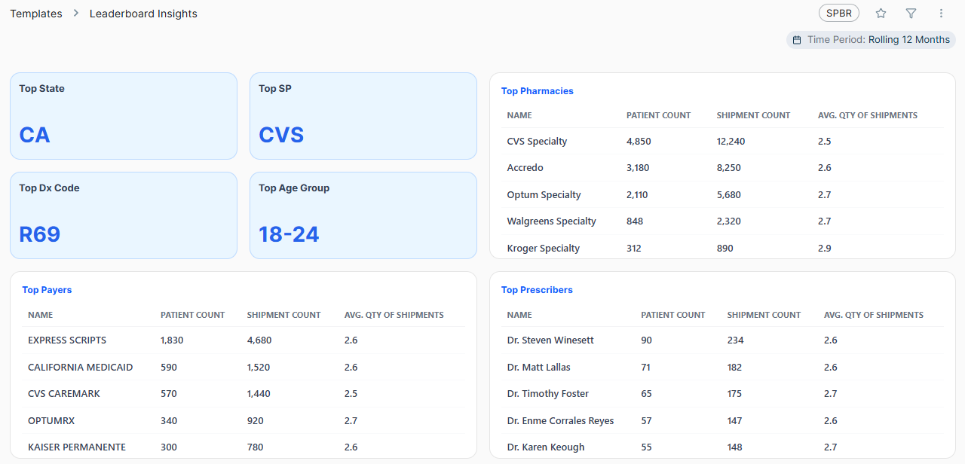
 |  | BUSINESS REVIEW | LEADERBOARD INSIGHTS |  | Back to Index

Req ID | Client/MVP | Component | Metric name | Configurable Metric (Y/N) | Visual Type | Business Requirement | Technical Conditions | Page-Level Filters | Comments | Client Business Requirements | Client Technical Conditions
LI.1 | MVP | Top State |  | N | Card | Displays the top state based on patient shipment volume. | Technical Logic: • Count of PMCQTY (unique SHIELDID + PRODUCT) where the LATEST SHIPMENT falls within the selected period, and the patient state is the highest by volume. Select the latest record where status = "ACTIVE" and substatus = "SHIPMENT". Group by sum of PMCQTY, PATSTATE. • Display the state that has the highest volume of shipments (sum of PMCQTY) within the selected time period. • In case "NULL" is the highest bucket, choose the second highest state to display. • Latest Record Tie-Breaker: The "latest" record is determined by: statusdate desc transaction rank asc shipdate desc (if there is a shipment) recdate desc (if there are no shipments) feedid desc rowid desc • Ranking Tie-Breaker: If two state codes have the same shipment count, display both the values concatenated by a comma (eg: CA, TX) | Filters are applied by evaluating the SP/Hub transaction data on the patient's latest shipment record where status = "ACTIVE" and substatus = "SHIPMENT", determined by: statusdate desc transaction rank asc shipdate desc (if there is a shipment) recdate desc (if there are no shipments) feedid desc rowid desc Once the latest record is isolated, the dashboard filters apply as follows: Time Period: The patient is counted in the reporting period if the STATUS DATE from the latest record falls within the selected time period. SP: Filters by the PMCPHARMCODE on that latest record. Payer Type: Filters by the PMCPRIMARYPAYERID on that latest record. Program Type: Filters by the PMCTRANSTYPE on that latest record.
LI.2 | MVP | Top SP |  | N | Card | Displays the top SP based on patient shipment volume. | Technical Logic: • Count of PMCQTY (unique SHIELDID + PRODUCT) where the LATEST SHIPMENT falls within the selected period, and the associated dispensing SP is the highest by volume. Select the latest record where status = "ACTIVE" and substatus = "SHIPMENT". Group by sum of PMCQTY, PHARMCODE. • Display the SP that dispenses the highest volume of shipments (sum of PMCQTY) within the selected time period. • In case "NULL" is the highest bucket, choose the second highest SP to display. • Latest Record Tie-Breaker: The "latest" record is determined by: statusdate desc transaction rank asc shipdate desc (if there is a shipment) recdate desc (if there are no shipments) feedid desc rowid desc • Ranking Tie-Breaker: If two SPs have the same shipment count, display both the values concatenated by a comma (eg: CVS, Walgreens) | Filters are applied by evaluating the SP/Hub transaction data on the patient's latest shipment record where status = "ACTIVE" and substatus = "SHIPMENT", determined by: statusdate desc transaction rank asc shipdate desc (if there is a shipment) recdate desc (if there are no shipments) feedid desc rowid desc Once the latest record is isolated, the dashboard filters apply as follows: Time Period: The patient is counted in the reporting period if the STATUS DATE from the latest record falls within the selected time period. SP: Filters by the PMCPHARMCODE on that latest record. Payer Type: Filters by the PMCPRIMARYPAYERID on that latest record. Program Type: Filters by the PMCTRANSTYPE on that latest record.
LI.3 | MVP | Top Dx Code |  | N | Card | Displays the top occuring Dx Code based on patient shipment volume. | Technical Logic: • Count of PMCQTY (unique SHIELDID + PRODUCT) where the LATEST SHIPMENT falls within the selected period, and the associated Dx Code is the highest by volume. Select the latest record where status = "ACTIVE" and substatus = "SHIPMENT". Group by sum of PMCQTY, PMCDIAGNOSISCODE. • Display the SP that dispenses the highest volume of shipments (sum of PMCQTY) within the selected time period. • In case "NULL" is the highest bucket, choose the second highest DxCode to display. • Latest Record Tie-Breaker: The "latest" record is determined by: statusdate desc transaction rank asc shipdate desc (if there is a shipment) recdate desc (if there are no shipments) feedid desc rowid desc • Ranking Tie-Breaker: If two Dx codes have the same frequency, display both the values concatenated by a comma. | Filters are applied by evaluating the SP/Hub transaction data on the patient's latest shipment record where status = "ACTIVE" and substatus = "SHIPMENT", determined by: statusdate desc transaction rank asc shipdate desc (if there is a shipment) recdate desc (if there are no shipments) feedid desc rowid desc Once the latest record is isolated, the dashboard filters apply as follows: Time Period: The patient is counted in the reporting period if the STATUS DATE from the latest record falls within the selected time period. SP: Filters by the PMCPHARMCODE on that latest record. Payer Type: Filters by the PMCPRIMARYPAYERID on that latest record. Program Type: Filters by the PMCTRANSTYPE on that latest record.
LI.4 | MVP | Top Age Group |  | Y | Card | Displays the top occuring age group based on patient shipment volume. | Technical Logic: • Count of PMCQTY (unique SHIELDID + PRODUCT) where the LATEST SHIPMENT falls within the selected period, and the associated patient age group is the highest by volume. Select the latest record where status = "ACTIVE" and substatus = "SHIPMENT". Group by sum of PMCQTY, PATAGE. • Display the patient age group that is associated with the highest volume of shipments (sum of PMCQTY) within the selected time period. • Age Group Classification: The value from the patage column on the latest referral record is mapped into the following brackets: 1. 0-17 2. 18-37 3. 38-56 4. 57-75 5. 75+ • Unknown Handling: If the patage column is NULL or contains no data on the latest record, the patient is assigned to the "Unknown" group. "Unknown" is excluded. • In case "Unknown" is the highest bucket, choose the second highest age group to display. • Latest Record Tie-Breaker: The "latest" record is determined by: statusdate desc transaction rank asc shipdate desc (if there is a shipment) recdate desc (if there are no shipments) feedid desc rowid desc • Ranking Tie-Breaker: If two age groups have the same frequency, display both the values concatenated by a comma. | Filters are applied by evaluating the SP/Hub transaction data on the patient's latest shipment record where status = "ACTIVE" and substatus = "SHIPMENT", determined by: statusdate desc transaction rank asc shipdate desc (if there is a shipment) recdate desc (if there are no shipments) feedid desc rowid desc Once the latest record is isolated, the dashboard filters apply as follows: Time Period: The patient is counted in the reporting period if the STATUS DATE from the latest record falls within the selected time period. SP: Filters by the PMCPHARMCODE on that latest record. Payer Type: Filters by the PMCPRIMARYPAYERID on that latest record. Program Type: Filters by the PMCTRANSTYPE on that latest record. | The age brackets may be client-specific
LI.5 | MVP | Top Prescribers |  |  | Table | Displays the top 12 Prescribers based on highest shipments (PMCQTY). If there is a tie, display all the Prescribers having the same count.
LI.6 | MVP |  | Name | N |  | Displays the Name of the Prescriber. | • Identify the prescriber associated to the patient across all shipment records that fall within the reporting period for each unique shieldid + product. The CUST_LASTNAME, CUST_FIRSTNAME fields from customer master on the shipment record is used. Select the record where status = "ACTIVE" and substatus = "SHIPMENT". • Prescribers with the highest sum(PMCQTY) are displayed. Group by CUST_LASTNAME, CUST_FIRSTNAME, SUM(PMCQTY), COUNT(SHIELDID), AVG(PMCQTY) | Filters are applied by evaluating the SP/Hub transaction data on the patient's shipment record where status = "ACTIVE" and substatus = "SHIPMENT". The dashboard filters apply as follows: Time Period: The patient is counted in the reporting period if the SHIP DATE from the record falls within the selected time period. SP: Filters by the PMCPHARMCODE on that record. Payer Type: Filters by the PMCPRIMARYPAYERID on that record. Program Type: Filters by the PMCTRANSTYPE on that record.
LI.7 | MVP |  | Patient Count | N |  | Shows the number of distinct patients ever associated to the Prescriber displayed. | • Count the number of patients (SHIELDID) associated to the prescriber across all shipment records that fall within the reporting period for each unique shieldid + product. Select the record where status = "ACTIVE" and substatus = "SHIPMENT". • Patients with the highest sum(PMCQTY) are displayed. Group by CUST_LASTNAME, CUST_FIRSTNAME, SUM(PMCQTY), COUNT(SHIELDID), AVG(PMCQTY) • Number format: #,###.# | Filters are applied by evaluating the SP/Hub transaction data on the patient's shipment record where status = "ACTIVE" and substatus = "SHIPMENT". The dashboard filters apply as follows: Time Period: The patient is counted in the reporting period if the SHIP DATE from the record falls within the selected time period. SP: Filters by the PMCPHARMCODE on that record. Payer Type: Filters by the PMCPRIMARYPAYERID on that record. Program Type: Filters by the PMCTRANSTYPE on that record.
LI.8 |  |  | Shipment Count | N |  | Displays the total number of shipments dispensed to patients corresponding to the Prescriber. | • Count the number of shipments (SUM(PMCQTY))) dispensed to patients associated to the prescriber across all shipment records that fall within the reporting period for each unique shieldid + product. Select the record where status = "ACTIVE" and substatus = "SHIPMENT". Group by CUST_LASTNAME, CUST_FIRSTNAME, SUM(PMCQTY), COUNT(SHIELDID), AVG(PMCQTY) • Number format: #,###.# | Filters are applied by evaluating the SP/Hub transaction data on the patient's shipment record where status = "ACTIVE" and substatus = "SHIPMENT". The dashboard filters apply as follows: Time Period: The patient is counted in the reporting period if the SHIP DATE from the record falls within the selected time period. SP: Filters by the PMCPHARMCODE on that record. Payer Type: Filters by the PMCPRIMARYPAYERID on that record. Program Type: Filters by the PMCTRANSTYPE on that record.
LI.9 |  |  | Avg. Qty of Shipments | N |  | Displays the average number of shipments dispensed to patients corresponding to the Prescriber. | • Count the average of number of shipments (AVG(PMCQTY))) dispensed to patients associated to the prescriber across all shipment records that fall within the reporting period for each unique shieldid + product. Select the record where status = "ACTIVE" and substatus = "SHIPMENT". Group by CUST_LASTNAME, CUST_FIRSTNAME, SUM(PMCQTY), COUNT(SHIELDID), AVG(PMCQTY) • Number format: ##.# | Filters are applied by evaluating the SP/Hub transaction data on the patient's shipment record where status = "ACTIVE" and substatus = "SHIPMENT". The dashboard filters apply as follows: Time Period: The patient is counted in the reporting period if the SHIP DATE from the record falls within the selected time period. SP: Filters by the PMCPHARMCODE on that record. Payer Type: Filters by the PMCPRIMARYPAYERID on that record. Program Type: Filters by the PMCTRANSTYPE on that record.
LI.10 | MVP | Top Payers |  |  | Table | Displays the top 12 Payers based on highest shipments (PMCQTY). If there is a tie, display all the Payers having the same count.
LI.11 | MVP |  | Name | N |  | The payer name in the plan master that is associated to the patient's most recent shipment, non-null primary payer plan ID, regardless of the source (SP, HUB). Filter out unspecified. | • Identify the payer associated to the patient across all shipment records that fall within the reporting period for each unique shieldid + product. The PRIMARY_PAYERNAME field from plan master on the shipment record is used. The associated PRIMARYPMCPAYERID field should not be null. Select the record where status = "ACTIVE" and substatus = "SHIPMENT". • Unspecified Handling: If the Payer Name for patients is unspecified, filter them out. • Payers with the highest sum(PMCQTY) are displayed. Group by PRIMARY_PAYERNAME, SUM(PMCQTY), COUNT(SHIELDID), AVG(PMCQTY) | Filters are applied by evaluating the SP/Hub transaction data on the patient's shipment record where status = "ACTIVE" and substatus = "SHIPMENT". The dashboard filters apply as follows: Time Period: The patient is counted in the reporting period if the SHIP DATE from the record falls within the selected time period. SP: Filters by the PMCPHARMCODE on that record. Payer Type: Filters by the PMCPRIMARYPAYERID on that record. Program Type: Filters by the PMCTRANSTYPE on that record.
LI.12 | MVP |  | Patient Count | N |  | Shows the number of distinct patients ever associated to the Payer displayed. | • Count the number of patients (SHIELDID) associated to the payer across all shipment records that fall within the reporting period for each unique shieldid + product. Select the record where status = "ACTIVE" and substatus = "SHIPMENT". The PRIMARY_PAYERNAME field from plan master on the shipment record is used. The associated PRIMARYPMCPAYERID field should not be null. • Unspecified Handling: If the Payer Name for patients is unspecified, filter them out. • Patients with the highest sum(PMCQTY) are displayed. Group by PRIMARY_PAYERNAME, SUM(PMCQTY), COUNT(SHIELDID), AVG(PMCQTY) • Number format: #,###.# | Filters are applied by evaluating the SP/Hub transaction data on the patient's shipment record where status = "ACTIVE" and substatus = "SHIPMENT". The dashboard filters apply as follows: Time Period: The patient is counted in the reporting period if the SHIP DATE from the record falls within the selected time period. SP: Filters by the PMCPHARMCODE on that record. Payer Type: Filters by the PMCPRIMARYPAYERID on that record. Program Type: Filters by the PMCTRANSTYPE on that record.
LI.13 |  |  | Shipment Count | N |  | Displays the total number of shipments dispensed to patients corresponding to the Payer. | • Count the number of shipments (SUM(PMCQTY))) dispensed to patients associated to the Payer across all shipment records that fall within the reporting period for each unique shieldid + product. Select the record where status = "ACTIVE" and substatus = "SHIPMENT". The PRIMARY_PAYERNAME field from plan master on the shipment record is used. The associated PRIMARYPMCPAYERID field should not be null. • Unspecified Handling: If the Payer Name for patients is unspecified, filter them out. Group by PRIMARY_PAYERNAME, SUM(PMCQTY), COUNT(SHIELDID), AVG(PMCQTY) • Number format: #,###.# | Filters are applied by evaluating the SP/Hub transaction data on the patient's shipment record where status = "ACTIVE" and substatus = "SHIPMENT". The dashboard filters apply as follows: Time Period: The patient is counted in the reporting period if the SHIP DATE from the record falls within the selected time period. SP: Filters by the PMCPHARMCODE on that record. Payer Type: Filters by the PMCPRIMARYPAYERID on that record. Program Type: Filters by the PMCTRANSTYPE on that record.
LI.14 |  |  | Avg. Qty of Shipments | N |  | Displays the average number of shipments dispensed to patients corresponding to the Payer. | • Count the average of number of shipments (AVG(PMCQTY))) dispensed to patients associated to the Payer across all shipment records that fall within the reporting period for each unique shieldid + product. Select the record where status = "ACTIVE" and substatus = "SHIPMENT". The PRIMARY_PAYERNAME field from plan master on the shipment record is used. The associated PRIMARYPMCPAYERID field should not be null. • Unspecified Handling: If the Payer Name for patients is unspecified, filter them out. Group by PRIMARY_PAYERNAME, SUM(PMCQTY), COUNT(SHIELDID), AVG(PMCQTY) • Number format: ##.# | Filters are applied by evaluating the SP/Hub transaction data on the patient's shipment record where status = "ACTIVE" and substatus = "SHIPMENT". The dashboard filters apply as follows: Time Period: The patient is counted in the reporting period if the SHIP DATE from the record falls within the selected time period. SP: Filters by the PMCPHARMCODE on that record. Payer Type: Filters by the PMCPRIMARYPAYERID on that record. Program Type: Filters by the PMCTRANSTYPE on that record.
LI.15 | MVP | Top Pharmacies |  |  | Table | Displays the top 12 SPs based on highest shipments (PMCQTY). If there is a tie, display all the SPs having the same count.
LI.16 | MVP |  | Name | N |  | Displays the Name of the SP. | • Identify the SP associated to the patient across all shipment records that fall within the reporting period for each unique shieldid + product. The PMCPHARMCODE fields from customer master on the shipment record is used. Select the record where status = "ACTIVE" and substatus = "SHIPMENT". • SPs with the highest sum(PMCQTY) are displayed. Group by PMCPHARMCODE, SUM(PMCQTY), COUNT(SHIELDID), AVG(PMCQTY) | Filters are applied by evaluating the SP/Hub transaction data on the patient's shipment record where status = "ACTIVE" and substatus = "SHIPMENT". The dashboard filters apply as follows: Time Period: The patient is counted in the reporting period if the SHIP DATE from the record falls within the selected time period. SP: Filters by the PMCPHARMCODE on that record. Payer Type: Filters by the PMCPRIMARYPAYERID on that record. Program Type: Filters by the PMCTRANSTYPE on that record.
LI.17 | MVP |  | Patient Count | N |  | Shows the number of distinct patients ever associated to the SP displayed. | • Count the number of patients (SHIELDID) associated to the SP across all shipment records that fall within the reporting period for each unique shieldid + product. Select the record where status = "ACTIVE" and substatus = "SHIPMENT". • Patients with the highest sum(PMCQTY) are displayed. Group by PMCPHARMCODE, SUM(PMCQTY), COUNT(SHIELDID), AVG(PMCQTY) • Number format: #,###.# | Filters are applied by evaluating the SP/Hub transaction data on the patient's shipment record where status = "ACTIVE" and substatus = "SHIPMENT". The dashboard filters apply as follows: Time Period: The patient is counted in the reporting period if the SHIP DATE from the record falls within the selected time period. SP: Filters by the PMCPHARMCODE on that record. Payer Type: Filters by the PMCPRIMARYPAYERID on that record. Program Type: Filters by the PMCTRANSTYPE on that record.
LI.18 | MVP |  | Shipment Count | N |  | Displays the total number of shipments dispensed to patients corresponding to the SP. | • Count the number of shipments (SUM(PMCQTY))) dispensed to patients associated to the SP across all shipment records that fall within the reporting period for each unique shieldid + product. Select the record where status = "ACTIVE" and substatus = "SHIPMENT". Group by PMCPHARMCODE, SUM(PMCQTY), COUNT(SHIELDID), AVG(PMCQTY) • Number format: #,###.# | Filters are applied by evaluating the SP/Hub transaction data on the patient's shipment record where status = "ACTIVE" and substatus = "SHIPMENT". The dashboard filters apply as follows: Time Period: The patient is counted in the reporting period if the SHIP DATE from the record falls within the selected time period. SP: Filters by the PMCPHARMCODE on that record. Payer Type: Filters by the PMCPRIMARYPAYERID on that record. Program Type: Filters by the PMCTRANSTYPE on that record.
LI.19 | MVP |  | Avg. Qty of Shipments | N |  | Displays the average number of shipments dispensed to patients corresponding to the SP. | • Count the average of number of shipments (AVG(PMCQTY))) dispensed to patients associated to the SP across all shipment records that fall within the reporting period for each unique shieldid + product. Select the record where status = "ACTIVE" and substatus = "SHIPMENT". Group by PMCPHARMCODE, SUM(PMCQTY), COUNT(SHIELDID), AVG(PMCQTY) • Number format: ##.# | Filters are applied by evaluating the SP/Hub transaction data on the patient's shipment record where status = "ACTIVE" and substatus = "SHIPMENT". The dashboard filters apply as follows: Time Period: The patient is counted in the reporting period if the SHIP DATE from the record falls within the selected time period. SP: Filters by the PMCPHARMCODE on that record. Payer Type: Filters by the PMCPRIMARYPAYERID on that record. Program Type: Filters by the PMCTRANSTYPE on that record.
LI.20 | MVP | Filters |  |  |  | There needs to be an option for the users to select all the drop-down values for all the filters.
LI.21 |  |  | SP | N |  | Refer to the page-level filters column for each KPI.
LI.22 | MVP |  | Payer Type | N |  | Refer to the page-level filters column for each KPI.
LI.23 | MVP |  | Program Type | N |  | Refer to the page-level filters column for each KPI. Buckets include: ALL PAP COM
LI.24 | MVP |  | Period Type | N |  | Period Type works in conjuction with the Period Value filter. Filters the page to display trending metrics by [Week, Month, Quarter, Year]. | Dropdown displays the most recent Period types [Week, Month, Quarter, Year]
LI.25 | MVP |  | Period Value | N |  | Period Value works in conjuction with the Period Type filter. Filters the page to display trending metrics by the specific Weeks, Months, Quarters, Years selected by the Period Type. Filter options are listed up to current period as available. For ex: if Period Type: Quarter is selected; Period Values: Q1 [YYYY] through Q4 [YYYY] are displayed for the years available in the data. | Dropdown displays the most recent Period Values available (top) to earliest Period Values (bottom).

 | MOCKUP

BR - Access Performance
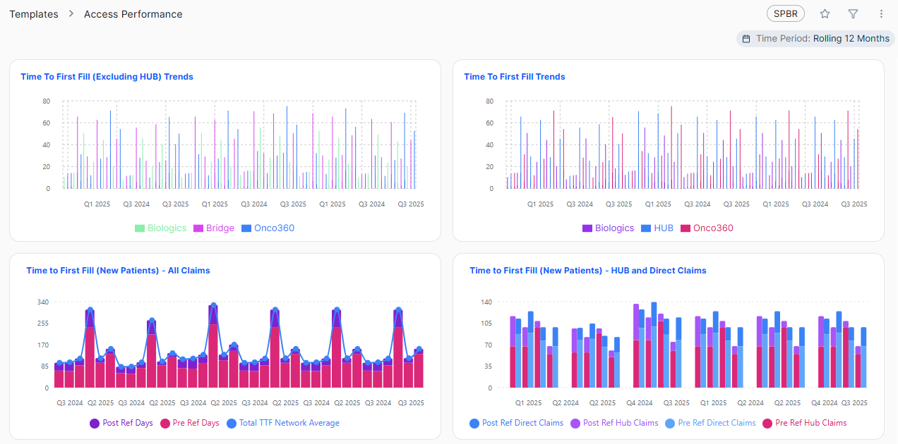
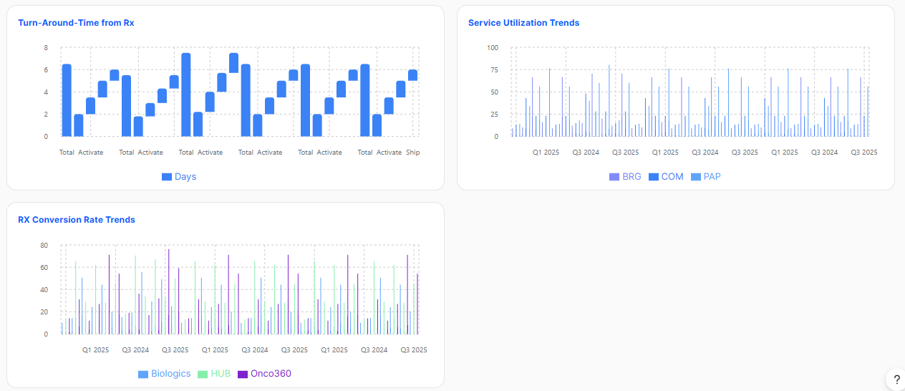
 |  | BUSINESS REVIEW | ACCESS PERFORMANCE |  | Back to Index

Req ID | Client/MVP | Component | Metric Abbreviation | Metric name | Configurable Metric (Y/N) | Visual Type | Business Requirement | Technical Conditions | Page-Level Filters | Client Business Requirements | Client Technical Conditions
AP.1 |  | Time to First Fill Trends | TTF | Time to Fill | Y | Bar Graph | The network average number of days between the date when a patient's first referral is received (First RefDate for Paitent in network) and the date when an SP or HUB ships that Referral to a patient (min ship date), for all patients' first fills. | Logic: • Calculate the difference in days between patient's earliest referral date to their first shipment. • Earliest Referral Date: Computed as the REFDATE from the earliest referral record as determined by the tie-breaker logic for the patient in the reporting time period. • First Shipment Date: Computed as the SHIPDATE from the earliest shipment record as determined by the tie-breaker logic, shipdate is NOT NULL, status is ACTIVE, and substatus is SHIPMENT. Ship date should be within the reporting time period. • Time to First Fill is not calculated when refdate is null. • Transtypes to be included: COM, PAP • Earliest Record Tie-Breaker: The "earliest" record is determined by: statusdate asc transaction rank asc shipdate asc (if there is a shipment) recdate asc (if there are no shipments) feedid asc rowid asc and refdate is NOT NULL • Number format: ##.# | Filters are applied by evaluating the SP/HUB transaction data on the patient's earliest shipment record for transtypes: COM, PAP determined by: statusdate asc transaction rank asc shipdate asc (if there is a shipment) recdate asc (if there are no shipments) feedid asc rowid asc Once the earliest record is isolated, the dashboard filters apply as follows: Time Period: The patient is counted in the reporting period if the REF DATE from the earliest record falls within the selected time period. SP: Filters by the PMCPHARMCODE on that earliest shipment record. Payer Type: Filters by the PMCPRIMARYPAYERID on that earliest shipment record. Program Type: Filters by the PMCTRANSTYPE on that earliest shipment record.
AP.2 | MVP |  |  | Trends |  | Bar Graph | Show the detailed trends based on the selected time period.
AP.3 | Client | Time to First Fill (Excluding HUB) Trends | TTF.ExclHUB | Time to First Fill (Excluding HUB) | Y |  | The network average number of days between the date when a patient's first referral is received (First RefDate for Paitent in network) and the date when an SP or HUB ships that Referral to a patient (min ship date), for all patients' first non-Bridge fills. | Logic: • Calculate the difference in days between patient's earliest referral date to their first shipment. • Earliest Referral Date: Computed as the REFDATE from the earliest referral record as determined by the tie-breaker logic for the patient in the reporting time period. • First Shipment Date: Computed as the SHIPDATE from the earliest shipment record as determined by the tie-breaker logic, shipdate is NOT NULL, status is ACTIVE, and substatus is SHIPMENT. Ship date should be within the reporting time period. • Time to First Fill is not calculated when refdate is null. • Transtypes to be included: COM • Earliest Record Tie-Breaker: The "earliest" record is determined by: statusdate asc transaction rank asc shipdate asc (if there is a shipment) recdate asc (if there are no shipments) feedid asc rowid asc and refdate is NOT NULL • Number format: ##.# | Filters are applied by evaluating the SP/HUB transaction data on the patient's earliest shipment record for transtypes: COM determined by: statusdate asc transaction rank asc shipdate asc (if there is a shipment) recdate asc (if there are no shipments) feedid asc rowid asc Once the earliest record is isolated, the dashboard filters apply as follows: Time Period: The patient is counted in the reporting period if the REF DATE from the earliest record falls within the selected time period. SP: Filters by the PMCPHARMCODE on that earliest shipment record. Payer Type: Filters by the PMCPRIMARYPAYERID on that earliest shipment record. Program Type: Filters by the PMCTRANSTYPE on that earliest shipment record.
AP.4 | Client |  |  | Trends |  |  | Show the detailed trends based on the selected time period.
AP.5 | Client | Time To First Fill (New Patients) | TTF.Claims | Pre Ref Days | Y | Bar + Line Graph | Pre-Referral TTF: The average number of days between the date when a patient's first prescription is written (Rx date on patient's first shipment) and the patient's referral date at the SP or HUB, for the patient’s first fill (min shipdate). Ship date is within the selected time period. | NOTES: • This metric uses the first shipment ever reported for a patient across all sources regardless of transtype. • Time to First Fill is NOT calculated when Rx date and Ref Date is Null. • Negative days to fill are excluded from calculation. Formula: (Num / Den) Logic: • Num: Sum of days between RXDATE and REFDATE on patient's first shipment (First Shipment Date is defined as the earliest transaction where earliest SHIPDATE is not null, status is ACTIVE, and substatus is SHIPMENT) for unique SHIELDID + PRODUCT where the referral date of the first shipment record falls within the reporting time period. • Den: Total count of distinct patients (unique SHIELDID + PRODUCT) where the referral date of the first shipment record falls within the reporting time period. • Transtypes to be included: COM, PAP • The ship date should fall within the reporting time period. • Earliest Record Tie-Breaker: The "earliest" record is determined by: statusdate asc transaction rank asc shipdate asc (if there is a shipment) recdate asc (if there are no shipments) feedid asc rowid asc • Number format: ##.# | Filters are applied by evaluating the SP/HUB transaction data on the patient's earliest shipment record for transtypes: COM, PAP determined by: statusdate asc transaction rank asc shipdate asc (if there is a shipment) recdate asc (if there are no shipments) feedid asc rowid asc Once the earliest record is isolated, the dashboard filters apply as follows: Time Period: The patient is counted in the reporting period if the REF DATE from the earliest record falls within the selected time period. SP: Filters by the PMCPHARMCODE on that earliest shipment record. Payer Type: Filters by the PMCPRIMARYPAYERID on that earliest shipment record. Program Type: Filters by the PMCTRANSTYPE on that earliest shipment record.
AP.6 | Client |  |  | Post Ref Days |  | Bar + Line Graph | Post-Referral TTF: The average number of days between the patient's referral date at the SP or HUB and the date that the SP or HUB ships that Rx to a patient (ship date), for the patient’s first fill (min shipdate). Ship date is within the selected time period. All Claims (when an SP is selected) shows the average Total days to fill for all patients referred directly to the SP AND never at the HUB. All Claims (when HUB is selected) shows the average Total days to first fill for all patients reported at the HUB (includes patients' first shipments of PAP or Bridge). | NOTES: • This metric uses the first shipment ever reported for a patient across all sources regardless of transtype. • Time to First Fill is NOT calculated when Rx date and Ref Date is Null. • Negative days to fill are excluded from calculation. Formula: (Num / Den) Logic: • Num: Sum of days between REFDATE and SHIPDATE on patient's first shipment (First Shipment Date is defined as the earliest transaction where earliest SHIPDATE is not null, status is ACTIVE, and substatus is SHIPMENT) for unique SHIELDID + PRODUCT where the referral date of the first shipment record falls within the reporting time period. • Den: Total count of distinct patients (unique SHIELDID + PRODUCT) where the referral date of the first shipment record falls within the reporting time period. • Transtypes to be included: COM, PAP • The ship date should fall within the reporting time period. • Earliest Record Tie-Breaker: The "earliest" record is determined by: statusdate asc transaction rank asc shipdate asc (if there is a shipment) recdate asc (if there are no shipments) feedid asc rowid asc • Number format: ##.# | Filters are applied by evaluating the SP/HUB transaction data on the patient's earliest shipment record for transtypes: COM, PAP determined by: statusdate asc transaction rank asc shipdate asc (if there is a shipment) recdate asc (if there are no shipments) feedid asc rowid asc Once the earliest record is isolated, the dashboard filters apply as follows: Time Period: The patient is counted in the reporting period if the REF DATE from the earliest record falls within the selected time period. SP: Filters by the PMCPHARMCODE on that earliest shipment record. Payer Type: Filters by the PMCPRIMARYPAYERID on that earliest shipment record. Program Type: Filters by the PMCTRANSTYPE on that earliest shipment record.
AP.7 | Client |  |  | Total TTF Network Average |  | Bar + Line Graph | Shows the proportion of average Total Time to Fill days at the selected SP/HUB relative to the Network | NOTES: • This metric uses the first shipment ever reported for a patient across all sources regardless of transtype. • Time to First Fill is NOT calculated when Rx date and Ref Date is Null. • Negative days to fill are excluded from calculation. Formula: (Num / Den) Logic: • Num: Sum of Total Time to Fill for all patients whose first shipment is in the reporting time period * 100 Logic for TTF: • Calculate the difference in days between patient's earliest referral date to their first shipment. • Earliest Referral Date: Computed as the REFDATE from the earliest referral record as determined by the tie-breaker logic for the patient in the reporting time period. • First Shipment Date: Computed as the SHIPDATE from the earliest shipment record as determined by the tie-breaker logic, shipdate is NOT NULL, status is ACTIVE, and substatus is SHIPMENT. Ship date should be within the reporting time period. • Den: Total count of distinct patients (unique SHIELDID + PRODUCT) where the first shipment date falls within the reporting time period. • Transtypes to be included: COM, PAP • The ship date should fall within the reporting time period. • Earliest Record Tie-Breaker: The "earliest" record is determined by: statusdate asc transaction rank asc shipdate asc (if there is a shipment) recdate asc (if there are no shipments) feedid asc rowid asc and refdate is NOT NULL • Number format: ##.# | Filters are applied by evaluating the SP/HUB transaction data on the patient's earliest shipment record for transtypes: COM, PAP determined by: statusdate asc transaction rank asc shipdate asc (if there is a shipment) recdate asc (if there are no shipments) feedid asc rowid asc Once the earliest record is isolated, the dashboard filters apply as follows: Time Period: The patient is counted in the reporting period if the REF DATE from the earliest record falls within the selected time period. SP: Filters by the PMCPHARMCODE on that earliest shipment record. Payer Type: Filters by the PMCPRIMARYPAYERID on that earliest shipment record. Program Type: Filters by the PMCTRANSTYPE on that earliest shipment record.
AP.8 | Client | Time To First Fill (New Patients) - HUB and Direct Claims | TTF.HUBClaims | Pre Ref HUB Claims | Y | Bar Graph | Pre-Referral TTF: The number of days between the date when a patient's first prescription is written (Rx date on patient's first shipment) and the patient's referral date at the SP/HUB, for the patient’s first fill (min shipdate). Ship date is within the selected time period. HUB Claims (pre- and post-referral) shows the average days to fill for patients that were first referred to the HUB (earliest referral at the HUB). | NOTES: • This metric uses the first shipment ever reported for a patient across all sources regardless of transtype. • Time to First Fill is NOT calculated when Rx date and Ref Date is Null. • Negative days to fill are excluded from calculation. • Include all patients that were first referred to the HUB (earliest referral at the HUB). Logic to determine HUB Referrals: Locked to the patient's earliest referral transaction. The REFDATE on the earliest referral record is used. REF_SOURCE field determines the referral source of the patient; However, if this field is null or unavailable, the source is determined by the physical table origin. Compare the patient's earliest referral date across spptranstage and hubtranstage tables. The patient should not have had a referral at the SP before their referral at the HUB. Formula: (Num / Den) Logic: • Num: Sum of days between RXDATE and REFDATE on patient's first shipment (First Shipment Date is defined as the earliest transaction where earliest SHIPDATE is not null, status is ACTIVE, and substatus is SHIPMENT) for unique SHIELDID + PRODUCT where the referral date of the first shipment record falls within the reporting time period. • Den: Total count of distinct patients (unique SHIELDID + PRODUCT) where the referral date of the first shipment record falls within the reporting time period. • Transtypes to be included: COM, PAP • The ship date should fall within the reporting time period. • Earliest Record Tie-Breaker: The "earliest" record is determined by: statusdate asc transaction rank asc shipdate asc (if there is a shipment) recdate asc (if there are no shipments) feedid asc rowid asc • Number format: ##.# | Filters are applied by evaluating the SP/HUB transaction data on the patient's earliest shipment record for transtypes: COM, PAP determined by: statusdate asc transaction rank asc shipdate asc (if there is a shipment) recdate asc (if there are no shipments) feedid asc rowid asc Once the earliest record is isolated, the dashboard filters apply as follows: Time Period: The patient is counted in the reporting period if the REF DATE from the earliest record falls within the selected time period. SP: Filters by the PMCPHARMCODE on that earliest shipment record. Payer Type: Filters by the PMCPRIMARYPAYERID on that earliest shipment record. Program Type: Filters by the PMCTRANSTYPE on that earliest shipment record.
AP.9 |  |  |  | Post Ref HUB Claims |  | Bar Graph | Post-Referral TTF: The average number of days between the patient's referral date at the SP/HUB and the date that the SP/HUB ships that Rx to a patient (ship date), for the patient’s first fill (min shipdate). Ship date is within the selected time period. HUB Claims (pre- and post-referral) shows the average days to fill for patients that were first referred to the HUB (earliest referral at the HUB). | NOTES: • This metric uses the first shipment ever reported for a patient across all sources regardless of transtype. • Time to First Fill is NOT calculated when Rx date and Ref Date is Null. • Negative days to fill are excluded from calculation. • Include all patients that were first referred to the HUB (earliest referral at the HUB). Logic to determine HUB Referrals: Locked to the patient's earliest referral transaction. The REFDATE on the earliest referral record is used. REF_SOURCE field determines the referral source of the patient; However, if this field is null or unavailable, the source is determined by the physical table origin. Compare the patient's earliest referral date across spptranstage and hubtranstage tables. The patient should not have had a referral at the SP before their referral at the HUB. Formula: (Num / Den) Logic: • Num: Sum of days between REFDATE and SHIPDATE on patient's first shipment (First Shipment Date is defined as the earliest transaction where earliest SHIPDATE is not null, status is ACTIVE, and substatus is SHIPMENT) for unique SHIELDID + PRODUCT where the referral date of the first shipment record falls within the reporting time period. • Den: Total count of distinct patients (unique SHIELDID + PRODUCT) where the referral date of the first shipment record falls within the reporting time period. • Transtypes to be included: COM, PAP • The ship date should fall within the reporting time period. • Earliest Record Tie-Breaker: The "earliest" record is determined by: statusdate asc transaction rank asc shipdate asc (if there is a shipment) recdate asc (if there are no shipments) feedid asc rowid asc • Number format: ##.# | Filters are applied by evaluating the SP/HUB transaction data on the patient's earliest shipment record for transtypes: COM, PAP determined by: statusdate asc transaction rank asc shipdate asc (if there is a shipment) recdate asc (if there are no shipments) feedid asc rowid asc Once the earliest record is isolated, the dashboard filters apply as follows: Time Period: The patient is counted in the reporting period if the REF DATE from the earliest record falls within the selected time period. SP: Filters by the PMCPHARMCODE on that earliest shipment record. Payer Type: Filters by the PMCPRIMARYPAYERID on that earliest shipment record. Program Type: Filters by the PMCTRANSTYPE on that earliest shipment record.
AP.10 | Client |  |  | Pre Ref Direct Claims |  | Bar Graph | Pre-Referral TTF: The number of days between the date when a patient's first prescription is written (Rx date on patient's first shipment) and the patient's referral date at the SP, for the patient’s first fill (min shipdate). Ship date is within the selected time period. Direct Claims (pre- and post-referral) shows the average days to fill for all patients referred directly to the SP (i.e. never at HUB) | NOTES: • This metric uses the first shipment ever reported for a patient across all sources regardless of transtype. • Time to First Fill is NOT calculated when Rx date and Ref Date is Null. • Negative days to fill are excluded from calculation. • Include all patients that were first referred to the SP (earliest referral at the SP). Logic to determine SP Referrals: Locked to the patient's earliest referral transaction. The REFDATE on the earliest referral record is used. REF_SOURCE field determines the referral source of the patient; However, if this field is null or unavailable, the source is determined by the physical table origin. Compare the patient's earliest referral date across spptranstage and hubtranstage tables. The patient should not have had a referral at the HUB before their referral at the SP. Formula: (Num / Den) Logic: • Num: Sum of days between RXDATE and REFDATE on patient's first shipment (First Shipment Date is defined as the earliest transaction where earliest SHIPDATE is not null, status is ACTIVE, and substatus is SHIPMENT) for unique SHIELDID + PRODUCT where the referral date of the first shipment record falls within the reporting time period. • Den: Total count of distinct patients (unique SHIELDID + PRODUCT) where the referral date of the first shipment record falls within the reporting time period. • Transtypes to be included: COM, PAP • The ship date should fall within the reporting time period. • Earliest Record Tie-Breaker: The "earliest" record is determined by: statusdate asc transaction rank asc shipdate asc (if there is a shipment) recdate asc (if there are no shipments) feedid asc rowid asc • Number format: ##.# | Filters are applied by evaluating the SP/HUB transaction data on the patient's earliest shipment record for transtypes: COM, PAP determined by: statusdate asc transaction rank asc shipdate asc (if there is a shipment) recdate asc (if there are no shipments) feedid asc rowid asc Once the earliest record is isolated, the dashboard filters apply as follows: Time Period: The patient is counted in the reporting period if the REF DATE from the earliest record falls within the selected time period. SP: Filters by the PMCPHARMCODE on that earliest shipment record. Payer Type: Filters by the PMCPRIMARYPAYERID on that earliest shipment record. Program Type: Filters by the PMCTRANSTYPE on that earliest shipment record.
AP.11 |  |  |  | Post Ref Direct Claims |  | Bar Graph | Post-Referral TTF: The average number of days between the patient's referral date at the SP and the date that the SP ships that Rx to a patient (ship date), for the patient’s first fill (min shipdate). Ship date is within the selected time period. Direct Claims (pre- and post-referral) shows the average days to fill for all patients referred directly to the SP (i.e. never at HUB) | NOTES: • This metric uses the first shipment ever reported for a patient across all sources regardless of transtype. • Time to First Fill is NOT calculated when Rx date and Ref Date is Null. • Negative days to fill are excluded from calculation. • Include all patients that were first referred to the SP (earliest referral at the SP). Logic to determine SP Referrals: Locked to the patient's earliest referral transaction. The REFDATE on the earliest referral record is used. REF_SOURCE field determines the referral source of the patient; However, if this field is null or unavailable, the source is determined by the physical table origin. Compare the patient's earliest referral date across spptranstage and hubtranstage tables. The patient should not have had a referral at the HUB before their referral at the SP.Formula: (Num / Den) Logic: • Num: Sum of days between REFDATE and SHIPDATE on patient's first shipment (First Shipment Date is defined as the earliest transaction where earliest SHIPDATE is not null, status is ACTIVE, and substatus is SHIPMENT) for unique SHIELDID + PRODUCT where the referral date of the first shipment record falls within the reporting time period. • Den: Total count of distinct patients (unique SHIELDID + PRODUCT) where the referral date of the first shipment record falls within the reporting time period. • Transtypes to be included: COM, PAP • The ship date should fall within the reporting time period. • Earliest Record Tie-Breaker: The "earliest" record is determined by: statusdate asc transaction rank asc shipdate asc (if there is a shipment) recdate asc (if there are no shipments) feedid asc rowid asc • Number format: ##.# | Filters are applied by evaluating the SP/HUB transaction data on the patient's earliest shipment record for transtypes: COM, PAP determined by: statusdate asc transaction rank asc shipdate asc (if there is a shipment) recdate asc (if there are no shipments) feedid asc rowid asc Once the earliest record is isolated, the dashboard filters apply as follows: Time Period: The patient is counted in the reporting period if the REF DATE from the earliest record falls within the selected time period. SP: Filters by the PMCPHARMCODE on that earliest shipment record. Payer Type: Filters by the PMCPRIMARYPAYERID on that earliest shipment record. Program Type: Filters by the PMCTRANSTYPE on that earliest shipment record.
AP.12 | MVP | Turn-Around-Time from Rx |  | Turn-Around-Time from Rx | Y | Waterfall | Turn-Around Time from Rx measures the total time taken to process a prescription (Rx) from the moment it is received until it is shipped to the patient. | Consider RXDATE for this metric. Use STATUSCODE and SUBSTATUS fields to verify each of the steps. The RXDATE, SHIPDATE should be within the reporting time period.
AP.13 | MVP |  |  | Total |  |  | The overall time (in days) from when the prescription is received to when it is shipped or completed. | • Calculate the total number of days between all the steps: BV Start + Activate + Schedule + Ship. • The RXDATE and STATUSDATE should be within the reporting time period. • Number Format: Round-off to the nearest whole number | Filters are applied by evaluating the SP/HUB transaction data on the patient's earliest shipment record for transtypes: COM, PAP determined by: statusdate asc transaction rank asc shipdate asc (if there is a shipment) recdate asc (if there are no shipments) feedid asc rowid asc Once the earliest record is isolated, the dashboard filters apply as follows: Time Period: The patient is counted in the reporting period if the REF DATE from the earliest record falls within the selected time period. SP: Filters by the PMCPHARMCODE on that earliest shipment record. Payer Type: Filters by the PMCPRIMARYPAYERID on that earliest shipment record. Program Type: Filters by the PMCTRANSTYPE on that earliest shipment record.
AP.14 | MVP |  |  | BV Start |  |  | The time it takes from when the prescription is received to when benefit verification begins. | Technical Logic: • Calculate the number of days for patients (unique SHIELDID + PRODUCT) between the RXDATE and STATUSDATE where STATUS = "PENDING_BENEFITS". • The RXDATE and STATUSDATE should be within the reporting time period. • Earliest Record Tie-Breaker: The "earliest" record is determined by: statusdate asc transaction rank asc shipdate asc (if there is a shipment) recdate asc (if there are no shipments) feedid asc rowid asc • Number Format: Round-off to the nearest whole number | Filters are applied by evaluating the SP/HUB transaction data on the patient's earliest shipment record for transtypes: COM, PAP determined by: statusdate asc transaction rank asc shipdate asc (if there is a shipment) recdate asc (if there are no shipments) feedid asc rowid asc Once the earliest record is isolated, the dashboard filters apply as follows: Time Period: The patient is counted in the reporting period if the REF DATE from the earliest record falls within the selected time period. SP: Filters by the PMCPHARMCODE on that earliest shipment record. Payer Type: Filters by the PMCPRIMARYPAYERID on that earliest shipment record. Program Type: Filters by the PMCTRANSTYPE on that earliest shipment record.
AP.15 | MVP |  |  | Activate |  |  | The time between the start of benefit verification and the point when the prescription becomes “active” in the workflow. | Technical Logic: • Calculate the number of days for patients (unique SHIELDID + PRODUCT) between the STATUSDATE where STATUS = "PENDING_BENEFITS" and the STATUSDATE where STATUS = "ACTIVE". • The STATUSDATE should be within the reporting time period. • Earliest Record Tie-Breaker: The "earliest" record is determined by: statusdate asc transaction rank asc shipdate asc (if there is a shipment) recdate asc (if there are no shipments) feedid asc rowid asc • Number Format: Round-off to the nearest whole number | Filters are applied by evaluating the SP/HUB transaction data on the patient's earliest shipment record for transtypes: COM, PAP determined by: statusdate asc transaction rank asc shipdate asc (if there is a shipment) recdate asc (if there are no shipments) feedid asc rowid asc Once the earliest record is isolated, the dashboard filters apply as follows: Time Period: The patient is counted in the reporting period if the REF DATE from the earliest record falls within the selected time period. SP: Filters by the PMCPHARMCODE on that earliest shipment record. Payer Type: Filters by the PMCPRIMARYPAYERID on that earliest shipment record. Program Type: Filters by the PMCTRANSTYPE on that earliest shipment record.
AP.16 | MVP |  |  | Schedule |  |  | The time from prescription activation to when the medication is scheduled for fulfillment. | Technical Logic: • Calculate the number of days for patients (unique SHIELDID + PRODUCT) between the STATUSDATE where STATUS is "ACTIVE", SUBSTATUS is "SCHEDULING" and the STATUSDATE where STATUS = "ACTIVE", SUBSTATUS is "READY TO SHIP". • The STATUSDATE should be within the reporting time period. • Earliest Record Tie-Breaker: The "earliest" record is determined by: statusdate asc transaction rank asc shipdate asc (if there is a shipment) recdate asc (if there are no shipments) feedid asc rowid asc • Number Format: Round-off to the nearest whole number | Filters are applied by evaluating the SP/HUB transaction data on the patient's earliest shipment record for transtypes: COM, PAP determined by: statusdate asc transaction rank asc shipdate asc (if there is a shipment) recdate asc (if there are no shipments) feedid asc rowid asc Once the earliest record is isolated, the dashboard filters apply as follows: Time Period: The patient is counted in the reporting period if the REF DATE from the earliest record falls within the selected time period. SP: Filters by the PMCPHARMCODE on that earliest shipment record. Payer Type: Filters by the PMCPRIMARYPAYERID on that earliest shipment record. Program Type: Filters by the PMCTRANSTYPE on that earliest shipment record.
AP.17 | MVP |  |  | Ship |  |  | The time between scheduling and when the medication is actually shipped to the patient. | Technical Logic: • Calculate the number of days for patients (unique SHIELDID + PRODUCT) between the STATUSDATE where STATUS = "ACTIVE", SUBSTATUS is "READY TO SHIP" and the STATUSDATE where STATUS is "ACTIVE", SUBSTATUS is "SHIPMENT". • The STATUSDATE should be within the reporting time period. • Earliest Record Tie-Breaker: The "earliest" record is determined by: statusdate asc transaction rank asc shipdate asc (if there is a shipment) recdate asc (if there are no shipments) feedid asc rowid asc • Number Format: Round-off to the nearest whole number | Filters are applied by evaluating the SP/HUB transaction data on the patient's earliest shipment record for transtypes: COM, PAP determined by: statusdate asc transaction rank asc shipdate asc (if there is a shipment) recdate asc (if there are no shipments) feedid asc rowid asc Once the earliest record is isolated, the dashboard filters apply as follows: Time Period: The patient is counted in the reporting period if the REF DATE from the earliest record falls within the selected time period. SP: Filters by the PMCPHARMCODE on that earliest shipment record. Payer Type: Filters by the PMCPRIMARYPAYERID on that earliest shipment record. Program Type: Filters by the PMCTRANSTYPE on that earliest shipment record.
AP.18 | MVP/Client | RX Conversion Rate Trends |  | RX Conversion Rate | Y | Bar Graph | The percentage of (patients across all SPs or HUB, referred within the selected time period who received shipment) / (the number of patients referred within the time period eligible for fill) *This percentage shows the Conversion Rate for patients with any Active/Shipment. | Technical Logic: Rx Conversion Rate = (Number of Patients with Shipment) / (Referred patients – Transferred patients – Hold patients)*100% a) Patients with Shipments: Distinct patients (out of “referred” patients in the period, (c) below) who received a shipment within the reporting time period. i.e. Patients with shipments are counted in the numerator toward the period in which they were first "referred" (see (c) "referred patients"). For shipments, refer to SHIPDATE where STATUS="ACTIVE" and substatus="SHIPMENT". b) Eligible for Fill: (Referred patients – Transferred patients – Hold patients) c) Referred patients: Distinct patients whose EARLIEST REF DATE (min(refdate)) at that SP or HUB is within the selected period (if min(refdate) is not available for that patient, use min(statusdate)). d) Transferred patients: Distinct patients (out of “referred” patients in the period) with a "TRANSFER" substatus as their last status in the period and have not received a shipment. Transferred Patients are a sub-set of referred patients. e) Hold patients: Distinct patients (out of “referred” patients in the period) with a "HOLD" substatus as their last status in the period and have not received a shipment. Hold Patients are a sub-set of referred patients. Transfer and Hold sub-statuses: ('TRANSFER_SP', 'TRANSFER_HUB', 'PATIENT_HOLD', 'PRESCRIBER_HOLD', 'SP_HOLD', 'FOUNDATION', 'INFORMATION', 'PATIENT_CONT', 'BENEFITS', 'PRIORAUTH', 'APPEAL', 'COPAY_ASSIST', 'HOLD_RTS') and count of ships=0 Transferred Patients: TRANSFER_SP, TRANSFER_HUB Hold Patients: 'PATIENT_HOLD', 'PRESCRIBER_HOLD', 'SP_HOLD', 'FOUNDATION', 'INFORMATION', 'PATIENT_CONT', 'BENEFITS', 'PRIORAUTH', 'APPEAL', 'COPAY_ASSIST', 'HOLD_RTS' • Transtypes: COM, PAP • The ship date should fall within the reporting time period. • Earliest Record Tie-Breaker: The "earliest" record is determined by: statusdate asc transaction rank asc shipdate | Filters are applied by evaluating the SP/HUB transaction data on the patient's earliest shipment record for transtypes: COM, PAP determined by: statusdate asc transaction rank asc shipdate asc (if there is a shipment) recdate asc (if there are no shipments) feedid asc rowid asc Once the earliest record is isolated, the dashboard filters apply as follows: Time Period: The patient is counted in the reporting period if the REF DATE from the earliest record falls within the selected time period. SP: Filters by the PMCPHARMCODE on that earliest shipment record. Payer Type: Filters by the PMCPRIMARYPAYERID on that earliest shipment record. Program Type: Filters by the PMCTRANSTYPE on that earliest shipment record.
AP.19 | MVP/Client |  |  | Trends |  |  | Show the detailed trends based on the selected time period.
AP.20 | Client | Service Utilization Trends |  | Service Utilization | Y | Bar Graph | The percentage of patients across the SP and HUB who have used a brand's programs in the selected time period. Program is determined using the transtype field. | Formula: (Num / Den) Logic: • Num: Number of distinct patients who have ever received a shipment record with a given transtype (either COM or PAP) in the selected time period. • Den: Total number of distinct patients (unique SHIELDID + PRODUCT) who have ever received a shipment (COM,PAP) in the selected time period. • The ship date should fall within the reporting time period. • Number format: ##.#% | Filters are applied by evaluating the SP/HUB transaction data on the patient's earliest shipment record for transtypes: COM, PAP determined by: statusdate asc transaction rank asc shipdate asc (if there is a shipment) recdate asc (if there are no shipments) feedid asc rowid asc Once the earliest record is isolated, the dashboard filters apply as follows: Time Period: The patient is counted in the reporting period if the REF DATE from the earliest record falls within the selected time period. SP: Filters by the PMCPHARMCODE on that earliest shipment record. Payer Type: Filters by the PMCPRIMARYPAYERID on that earliest shipment record. Program Type: Filters by the PMCTRANSTYPE on that earliest shipment record.
AP.21 | Client |  |  | Trends |  |  | Show the detailed trends based on the selected time period.
AP.22 | MVP | Filters |  |  |  |  | There needs to be an option for the users to select all the drop-down values for all the filters.
AP.23 |  |  |  | SP | N |  | Refer to the page-level filters column for each KPI.
AP.24 | MVP |  |  | Payer Type | N |  | Refer to the page-level filters column for each KPI.
AP.25 | MVP |  |  | Program Type | N |  | Refer to the page-level filters column for each KPI. Buckets include: ALL PAP COM
AP.26 | MVP |  |  | Period Type | N |  | Period Type works in conjuction with the Period Value filter. Filters the page to display trending metrics by [Week, Month, Quarter, Year]. | Dropdown displays the most recent Period types [Week, Month, Quarter, Year]
AP.27 | MVP |  |  | Period Value | N |  | Period Value works in conjuction with the Period Type filter. Filters the page to display trending metrics by the specific Weeks, Months, Quarters, Years selected by the Period Type. Filter options are listed up to current period as available. For ex: if Period Type: Quarter is selected; Period Values: Q1 [YYYY] through Q4 [YYYY] are displayed for the years available in the data. | Dropdown displays the most recent Period Values available (top) to earliest Period Values (bottom).

 | MOCKUP

BR - SPBR Dashboard
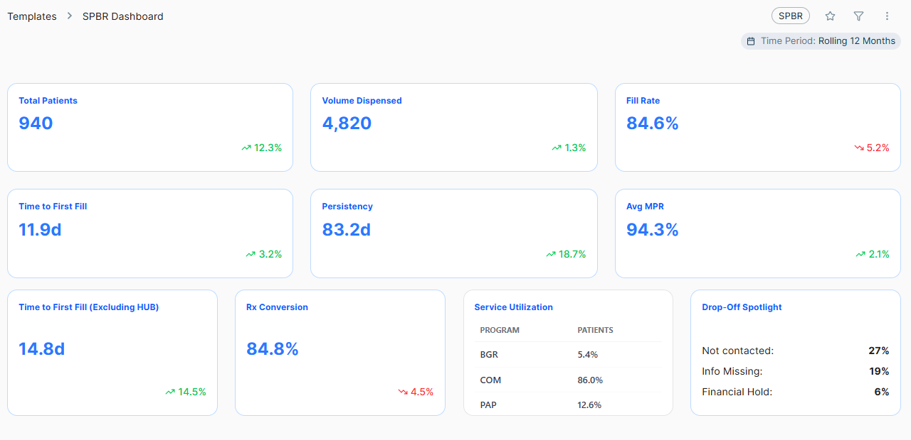
 |  | BUSINESS REVIEW | SPBR DASHBOARD | Back to Index

Req ID | Client/MVP | Component | Metric Abbreviation | Metric Name | Configurable Metric (Y/N) | Visual Type | Business Requirement | Technical Conditions | Page-Level Filters | Client Business Requirements | Client Technical Conditions
SPBR.1 | MVP | Total Patients |  | Total Patients | N | Card | Shows the total number of SP and HUB patients who are currently in the network in the selected time period. | Technical Logic: • Count of distinct referrals (unique SHIELDID + PRODUCT) from transtage tables where the EARLIEST REFDATE falls within the selected period. • Earliest Record Tie-Breaker: The "earliest" record is determined by: statusdate asc transaction rank asc shipdate asc (if there is a shipment) recdate asc (if there are no shipments) feedid asc rowid asc • Number format: #,### | Filters are applied by evaluating the SP/HUB transaction data on the patient's earliest record for transtypes: COM, PAP determined by: statusdate asc transaction rank asc shipdate asc (if there is a shipment) recdate asc (if there are no shipments) feedid asc rowid asc Once the earliest record is isolated, the dashboard filters apply as follows: Time Period: The patient is counted in the reporting period if the REF DATE from the earliest record falls within the selected time period. SP: Filters by the PMCPHARMCODE on that earliest record. Payer Type: Filters by the PMCPRIMARYPAYERID on that earliest record. Program Type: Filters by the PMCTRANSTYPE on that earliest record.
SPBR.2 | MVP |  |  | % Change |  |  | The arrow indicates comparing the previous time period's value to the current time period's value based on the selected period filter. | This is dependent on the time period filter selected.
SPBR.3 | MVP | Vol. Dispensed |  | Volume Dispensed | N | Card | Shows total number COM or PAP shipments (Active / Shipment) reported by SPs or HUB in the time period. | Technical Logic: • Count of shipments (unique SHIELDID + PRODUCT) where the SHIPDATE falls within the selected period. Select records where status = "ACTIVE" and substatus = "SHIPMENT". • Transtypes to be included: COM, PAP • Count should include New and Refill Shipments. • Use SHIPDATE to classify shipments across time periods. • Earliest Record Tie-Breaker: The "earliest" record is determined by: statusdate asc transaction rank asc shipdate asc (if there is a shipment) recdate asc (if there are no shipments) feedid asc rowid asc • Number format: #,### | Filters are applied by evaluating the SP/HUB transaction data on the patient's earliest shipment record for transtypes: COM,PAP determined by: statusdate asc transaction rank asc shipdate asc (if there is a shipment) recdate asc (if there are no shipments) feedid asc rowid asc Once the earliest record is isolated, the dashboard filters apply as follows: Time Period: The patient is counted in the reporting period if the REF DATE from the earliest record falls within the selected time period. SP: Filters by the PMCPHARMCODE on that earliest shipment record. Payer Type: Filters by the PMCPRIMARYPAYERID on that earliest shipment record. Program Type: Filters by the PMCTRANSTYPE on that earliest shipment record.
...
SPBR.18 | MVP | Drop-Off Spotlight |  | Not Contacted | Y | Card | This metric represents the percentage of patients who have not been successfully contacted by the service provider or pharmacy. It may indicate failures in communication attempts or the absence of proactive outreach to the patient. | Technical Logic: Numerator = Number of distinct patients (unique SHIELDID + PRODUCT) with SUBSTATUS = PATIENT_CONT, PATIENT_RESP, PRESCRIBER_END. The latest SUBSTATUS should fall within the reporting time period. Denominator = Distinct count of all patients (unique SHIELDID + PRODUCT) referred in the reporting time period. • Latest Record Tie-Breaker: The "latest" record is determined by: statusdate desc transaction rank asc shipdate desc (if there is a shipment) recdate desc (if there are no shipments) feedid desc rowid desc • Number format: ##.#% | Filters are applied by evaluating the SP/Hub transaction data on the patient's latest record, determined by: statusdate desc transaction rank asc shipdate desc (if there is a shipment) recdate desc (if there are no shipments) feedid desc rowid desc Once the latest record is isolated, the dashboard filters apply as follows: Time Period: The patient is counted in the reporting period if the REF DATE from the earliest record falls within the selected time period. SP: Filters by the PMCPHARMCODE on that latest record. Payer Type: Filters by the PMCPRIMARYPAYERID on that latest record. Program Type: Filters by the PMCTRANSTYPE on that latest record.
SPBR.19 | MVP |  |  | Info Missing | Y | Card | This metric refers to the percentage of patients for whom essential information (such as personal details, medical records, prescription information, or insurance data) is missing or incomplete. | Technical Logic: Numerator = Number of distinct patients (unique SHIELDID + PRODUCT) with SUBSTATUS = INFORMATION, OTHER. The latest SUBSTATUS should fall within the reporting time period. Denominator = Distinct count of all patients (unique SHIELDID + PRODUCT) referred in the reporting time period. • Latest Record Tie-Breaker: The "latest" record is determined by: statusdate desc transaction rank asc shipdate desc (if there is a shipment) recdate desc (if there are no shipments) feedid desc rowid desc • Number format: ##.#% | Filters are applied by evaluating the SP/Hub transaction data on the patient's latest record, determined by: statusdate desc transaction rank asc shipdate desc (if there is a shipment) recdate desc (if there are no shipments) feedid desc rowid desc Once the latest record is isolated, the dashboard filters apply as follows: Time Period: The patient is counted in the reporting period if the REF DATE from the earliest record falls within the selected time period. SP: Filters by the PMCPHARMCODE on that latest record. Payer Type: Filters by the PMCPRIMARYPAYERID on that latest record. Program Type: Filters by the PMCTRANSTYPE on that latest record.
SPBR.20 | MVP |  |  | Financial Hold | Y | Card | This metric tracks the percentage of patients who are placed on a financial hold due to unresolved financial issues. This could include payment problems, insurance verification issues, or outstanding balances preventing the completion of services such as medication fulfillment or treatment processing. | Technical Logic: Numerator = Number of distinct patients (unique SHIELDID + PRODUCT) with SUBSTATUS = FOUNDATION, PAP, COPAY_ASSIST, PATIENT_FINA. The latest SUBSTATUS should fall within the reporting time period. Denominator = Distinct count of all patients (unique SHIELDID + PRODUCT) referred in the reporting time period. • Latest Record Tie-Breaker: The "latest" record is determined by: statusdate desc transaction rank asc shipdate desc (if there is a shipment) recdate desc (if there are no shipments) feedid desc rowid desc • Number format: ##.#% | Filters are applied by evaluating the SP/Hub transaction data on the patient's latest record, determined by: statusdate desc transaction rank asc shipdate desc (if there is a shipment) recdate desc (if there are no shipments) feedid desc rowid desc Once the latest record is isolated, the dashboard filters apply as follows: Time Period: The patient is counted in the reporting period if the REF DATE from the earliest record falls within the selected time period. SP: Filters by the PMCPHARMCODE on that latest record. Payer Type: Filters by the PMCPRIMARYPAYERID on that latest record. Program Type: Filters by the PMCTRANSTYPE on that latest record.
SPBR.21 | MVP | Filters |  |  |  |  | There needs to be an option for the users to select all the drop-down values for all the filters.
SPBR.22 | MVP |  |  | SP | N |  | Refer to the page-level filters column for each KPI.
SPBR.23 | MVP |  |  | Payer Type | N |  | Refer to the page-level filters column for each KPI.
SPBR.24 | MVP |  |  | Program Type | N |  | Refer to the page-level filters column for each KPI. Buckets include: ALL PAP COM
SPBR.25 | MVP |  |  | Period Type | N |  | Period Type works in conjuction with the Period Value filter. Filters the page to display trending metrics by [Week, Month, Quarter, Year]. | Dropdown displays the most recent Period types [Week, Month, Quarter, Year]
SPBR.26 | MVP |  |  | Period Value | N |  | Period Value works in conjuction with the Period Type filter. Filters the page to display trending metrics by the specific Weeks, Months, Quarters, Years selected by the Period Type. Filter options are listed up to current period as available. For ex: if Period Type: Quarter is selected; Period Values: Q1 [YYYY] through Q4 [YYYY] are displayed for the years available in the data. | Dropdown displays the most recent Period Values available (top) to earliest Period Values (bottom).
 | MOCKUP

BR - Adherence
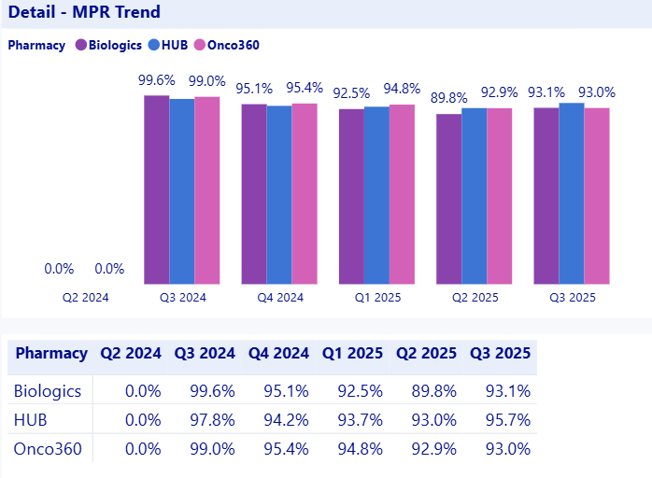
...
 |  | BUSINESS REVIEW | ADHERENCE | Back to Index
Req ID | Client/MVP | Component | Metric Abbreviation | Metric name | Configurable Metric (Y/N) | Business Requirement | Technical Conditions | Page-Level Filters | Client Business Requirements | Client Technical Conditions
AD.8 | MVP | PDC by Patient Population |  |  | N | Shows the PDC (Proportion of Days Covered) by different patient age groups. PDC is a measure of medication adherence, indicating the percentage of days a patient is covered by their medication. | • Numerator: Total Days Supply • Denominator: Total Days Supply/Total Days Supply + Gap Days • Age Groups: 18-24, 25-34, 35-44, 45-54, 55-64, 65-74, 75-84, Unknown for patients where PATAGE is null Total Days Supply and Gap Days should fall within the reporting time period. • Number format: ##.#% | Filters are applied by evaluating the SP/HUB transaction data on the patient's earliest shipment record for transtypes: COM, PAP determined by: statusdate asc transaction rank asc shipdate asc (if there is a shipment) recdate asc (if there are no shipments) feedid asc rowid asc Once the earliest record is isolated, the dashboard filters apply as follows: Time Period: The patient is counted in the reporting period if the REF DATE from the earliest record falls within the selected time period. SP: Filters by the PMCPHARMCODE on that earliest shipment record. Payer Type: Filters by the PMCPRIMARYPAYERID on that earliest shipment record. Program Type: Filters by the PMCTRANSTYPE on that earliest shipment record.
AD.10 | MVP | Patient Transfers Out |  |  | Y | Shows the number of patients transferred out from a current SP. This could indicate patients who have moved to a different pharmacy or switched insurance providers. | • Num: Number of distinct patients (unique SHIELDID + PRODUCT) with SUBSTATUS = TRANSFER_HUB, TRANSFER_IOD, TRANSFER_SP in the reporting time period. The STATUSDATE corresponding to the SUBSTATUS codes must fall within the selected time period. • Den: Total count of distinct referrals (unique SHIELDID + PRODUCT) where the Earliest Referral Date falls within the reporting period. • Earliest Referral Date: Computed as the REFDATE from the earliest referral record as determined by the tie-breaker logic for the patient in the reporting time period. • Latest Record Tie-Breaker: The "latest" STATUSDATE record is determined by: statusdate desc transaction rank asc shipdate desc (if there is a shipment) recdate desc (if there are no shipments) feedid desc rowid desc • Earliest Record Tie-Breaker: The "earliest" REFDATE record is determined by: statusdate asc transaction rank asc shipdate asc (if there is a shipment) recdate asc (if there are no shipments) feedid asc rowid asc • Number format: ##.#% | Filters are applied by evaluating the SP/HUB transaction data on the patient's earliest shipment record for transtypes: COM, PAP determined by: statusdate asc transaction rank asc shipdate asc (if there is a shipment) recdate asc (if there are no shipments) feedid asc rowid asc Once the earliest record is isolated, the dashboard filters apply as follows: Time Period: The patient is counted in the reporting period if the REF DATE from the earliest record falls within the selected time period. SP: Filters by the PMCPHARMCODE on that earliest shipment record. Payer Type: Filters by the PMCPRIMARYPAYERID on that earliest shipment record. Program Type: Filters by the PMCTRANSTYPE on that earliest shipment record.
AD.11 | MVP | Filters |  |  |  | There needs to be an option for the users to select all the drop-down values for all the filters.
AD.12 |  |  |  | SP | N | Refer to the page-level filters column for each KPI.
AD.13 | MVP |  |  | Payer Type | N | Refer to the page-level filters column for each KPI.
AD.14 | MVP |  |  | Program Type | N | Refer to the page-level filters column for each KPI. Buckets include: ALL PAP COM
AD.15 | MVP |  |  | Period Type | N | Period Type works in conjuction with the Period Value filter. Filters the page to display trending metrics by [Week, Month, Quarter, Year].
AD.16 | MVP |  |  | Period Value | N | Period Value works in conjuction with the Period Type filter. Filters the page to display trending metrics by the specific Weeks, Months, Quarters, Years selected by the Period Type. Filter options are listed up to current period as available. For ex: if Period Type: Quarter is selected; Period Values: Q1 [YYYY] through Q4 [YYYY] are displayed for the years available in the data.

 | MOCKUP
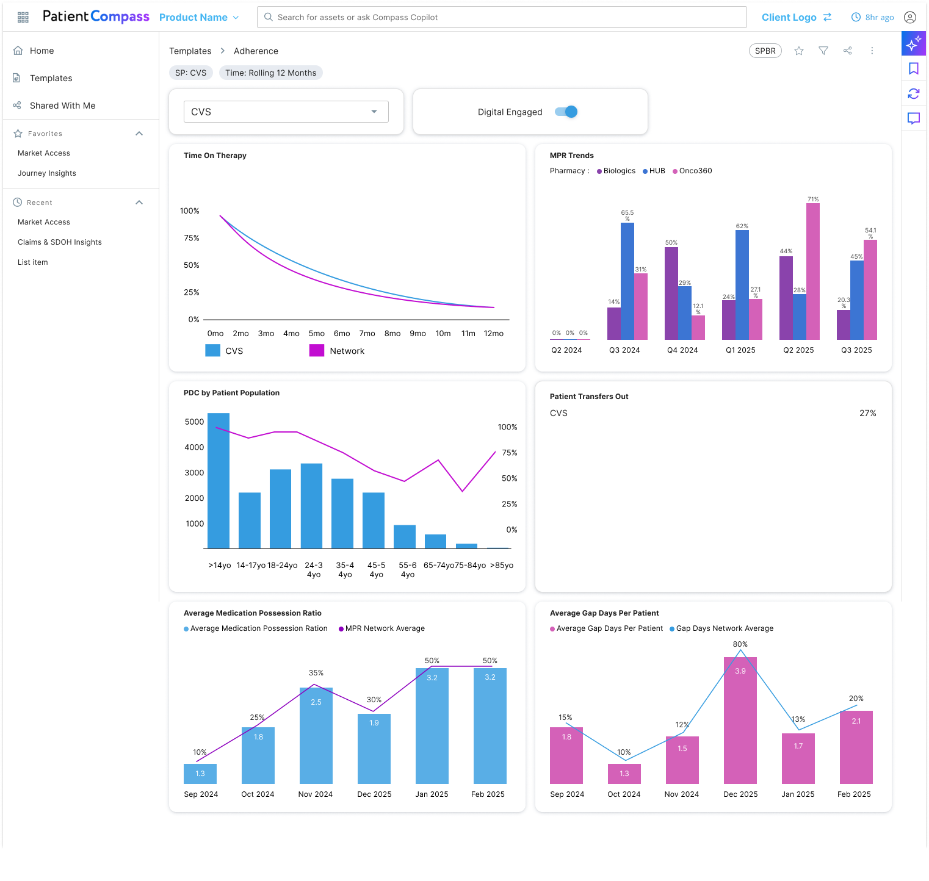

 | MOCKUP FOR MPR DISTRIBUTION

MA - Patient Volume
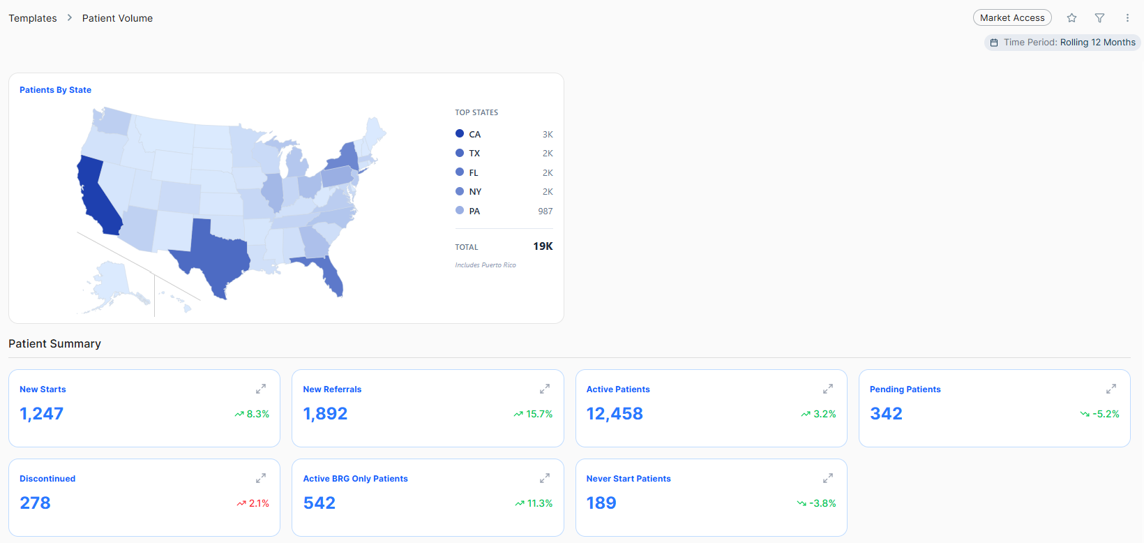
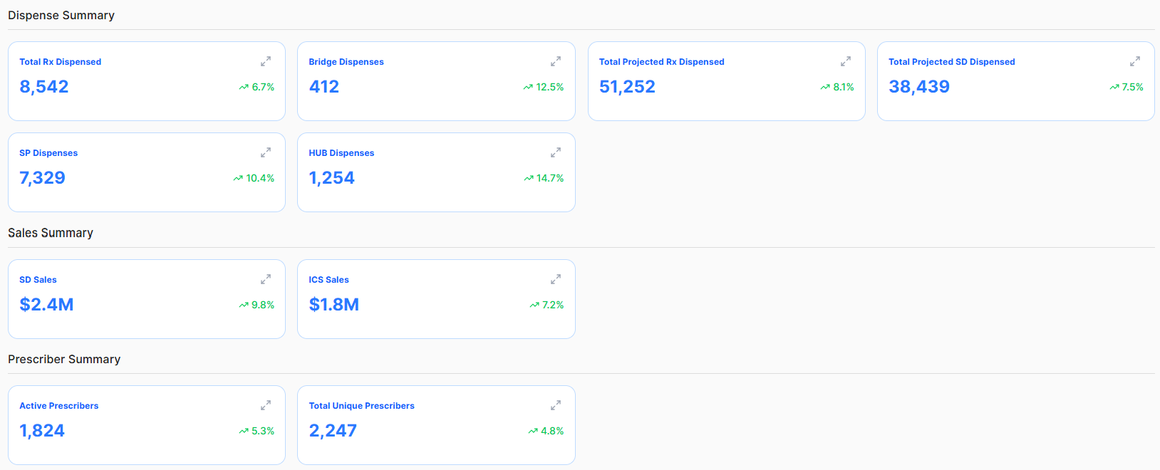
...
 | MARKET ACCESS | PATIENT VOLUME | Back to Index
Req ID | Component | Metric name | Configurable Metric (Y/N) | Visual Type | Business Requirement | Technical Conditions | Client Business Requirements | Client Technical Conditions
PV.18 |  | Total Unique Prescribers | N | Card | Shows the count of Prescribers who appears for the first time in the network regardless of status. | Use statusdate on the first patient transaction with the prescriber to associate to a time period and pharmcode (entity). Patients do not have to be active. Prescriber should be associated to the SP / Hub that their patient’s first status record is from.
PV.19 | Detailed Drillthrough Trends |  |  | Pop-ups on the cards | All the metrics have pop-up icons, when clicked, they show the detailed trends over quarter | Trending periods are displayed when week, month, quarter,and year are selected (each of the selected Period Values are displayed [latest selected is right most]; user can select multiple period values).
PV.20 | Filters Applicable |  |  |  | There needs to be an option for the users to select all the drop-down values for all the filters.
PV.21 |  | SP | N |  | Filters all metrics on the page based on the source of the most recent record for a patient (SP name/Hub). | Fetches the count based on most recently (status date) associated with Pharmacy
PV.22 |  | Payer Type | N |  | The payer type in the plan master that is associated to the patient's non-null primary payer plan ID based on their most recent shipment, regardless of the source (SP, HUB). | record based on status_code = "ACTIVE" and sub_status = "SHIPMENT" 1.) DateOrderbyTime desc 2.) Rank Asc 3.) FeedID desc 4.) RowID desc
PV.23 |  | Program Type | N |  | Filters all metrics on the page based on the most recent Transtype for a patient (SP/Hub) Buckets include: ALL PAP BRIDGE COM | Fetches the count based on most recently (status date) associated with Program
PV.24 |  | Period Type | N |  | Period Type works in conjuction with the Period Value filter. Filters the page to display trending metrics by [Week, Month, Quarter, Year]. | Dropdown displays the most recent Period types [Week, Month, Quarter, Year]
PV.25 |  | Period Value | N |  | Period Value works in conjuction with the Period Type filter. Filters the page to display trending metrics by the specific Weeks, Months, Quarters, Years selected by the Period Type. Filter options are listed up to current period as available. For ex: if Period Type: Quarter is selected; Period Values: Q1 [YYYY] through Q4 [YYYY] are displayed for the years available in the data. | Dropdown displays the most recent Period Values available (top) to earliest Period Values (bottom).

 | MOCKUP

